Q1 (Answer)
DATA ANALYST CASE STUDY
Instructions
1 | Please complete ALL the questions in the case study. Incomplete submissions will not be reviewed or considered for the next stage of the hiring process.
2 | Please submit your test in Excel file format and save the file with your name (ie. DataCaseStudy_YourName).
3 | We take deadlines seriously. Late responses will not be reviewed.
4 | Submit your case study here: |  |  | https://forms.gle/9aRHdbvyX1ssbt4s5

 | 0-1999 | 2000-2999 | 3000-3999 | 4000-4999 | 5000-5999 | 6000-6999 | 7000-7999 | 8000-8999 | 9000-9999 | 10000-10999 | 11000-11999 | 12000-12999 | 13000-13999 | 14000-14999 | >= 15000 | Mode | Median income group | Cumulative
A | 3% | 8% | 17% | 14% | 11% | 10% | 8% | 6% | 5% | 4% | 3% | 2% | 2% | 2% | 5% | RM3,000–3,999 | 5,000–5,999 | 53%
B | 9% | 12% | 16% | 14% | 10% | 9% | 6% | 5% | 3% | 3% | 2% | 1% | 1% | 1% | 6% | RM3,000–3,999 | 4,000–4,999 | 51%
C | 2% | 4% | 9% | 12% | 11% | 10% | 8% | 7% | 6% | 5% | 4% | 3% | 3% | 2% | 13% | >= RM15,000 | 7,000–7,999 | 56%

INCOME DISTRIBUTION

Q1
The chart shows the household income distribution of the families living in three different neighbourhoods, A, B and C.
Discuss and compare these neighbourhoods using the data available.
E.g. you may comment on the median income, affluence

Neighbourhood A

Mode: RM3,000–3,999
Median income group: RM5,000–5,999

Analysis:

The most common income group is relatively low (RM3k–3.9k), indicating a large concentration of lower-middle income residents.

The median is higher than the mode, suggesting a long tail toward higher incomes.

Income distribution is moderately skewed to the right (positive skew).

Potential implication: This area may have a mix of low- and middle-income earners, but the bulk of households still fall in the lower ranges, possibly needing affordable housing or subsidies.

Neighbourhood B

Mode: RM3,000–3,999
Median income group: RM4,000–4,999

Analysis:

RM3k–3.9k is the most common, showing a similar lower-middle income concentration.

Median is slightly higher than the mode, but closer than in Neighbourhood A — suggesting a more balanced income distribution with less extreme high earners.

The distribution is mildly right-skewed, but less than in A.

Likely a working-class neighbourhood with moderate stability and lower income inequality.

Neighbourhood C

Mode: ≥ RM15,000
Median income group: RM7,000–7,999

Analysis:

Mode is very high (≥ RM15k), meaning the largest group of people are high-income earners.

Median is much lower than the mode, indicating a left-skewed distribution.

This suggests a wealthy minority dominates the population, but there’s a wide income spread.

Could represent a developing upper-income area, possibly with luxury housing and a mix of middle-income service workers.

Q2
 |  | Average Price psf
 |  | QUARTER
 | NAME | 20161 | 20162 | 20163 | 20164 | 20171 | 20172 | 20173 | 20174 | 20181 | 20182 | 20183 | 20184 | 20191 | 20192
 | ASTRA SUITES | 989 | 1,011 | 1,016 | 981 | 1,024 |  | 1,084 | 1,038 | 998 | 885 | 964 | 1,455
 | FLAT JALAN AMAN | 273 | 241 | 189 | 273 |  |  | 228 | 176 |  |  |  | 241 | 209 | 160
 | HARBOURVIEW | 1,104 | 1,117 | 1,005 | 1,162 |  | 1,066 |  |  | 1,221 | 1,267 | 1,332
 | LILY POINT | 552 | 515 | 520 | 585 | 507 | 474 | 456 | 471 | 614 | 470 | 441 | 418
 | RAINBOW APARTMENT | 770 |  | 736 | 892 | 357 |  | 416 | 724 | 826 |  | 882 | 740 | 404

AVERAGE PRICE PSF OVER TIME
 | ASTRA SUITES | FLAT JALAN AMAN | HARBOURVIEW | LILY POINT | RAINBOW APARTMENT
20161 | 989 | 273 | 1,104 | 552 | 770
20162 | 1,011 | 241 | 1,117 | 515
20163 | 1,016 | 189 | 1,005 | 520 | 736
20164 | 981 | 273 | 1,162 | 585 | 892
20171 | 1,024 |  |  | 507 | 357
20172 |  |  | 1,066 | 474
20173 | 1,084 | 228 |  | 456 | 416
20174 | 1,038 | 176 |  | 471 | 724
20181 | 998 |  | 1,221 | 614 | 826
20182 | 885 |  | 1,267 | 470
20183 | 964 |  | 1,332 | 441 | 882
20184 | 1,455 | 241 |  | 418 | 740
20191 |  | 209 |  |  | 404
20192 |  | 160

Q2.1
House prices are known to change over time due to various factors.
The "Q2 data" worksheet is a table of transaction records for five different highrise buildings.
Valuation price refers to the price at which the house is sold, while Built up price psf is the Valuation price divided by the area of the house in sq ft (in the Size built up column).
Quarter refers to the date at which the property is sold (e.g. 20192 means Quarter 2 of 2019).
The chart above shows the average price psf for these highrise buildings over time.
Choose three buildings and compare amongst them based on the price trend chart and the raw data available in the "Q2 data" worksheet.

Q2.2
Plot another price trend that shows the median price psf across time for these three buildings.
You may use any software/method of your choice.
What is the difference between the median and average value of a set of data?

Q2.3
Plot another price trend that shows the median valuation price across time for these three buildings.
You may use any software/method of your choice.
Discuss and compare the three buildings using this chart.

Q2.1 (Answer)
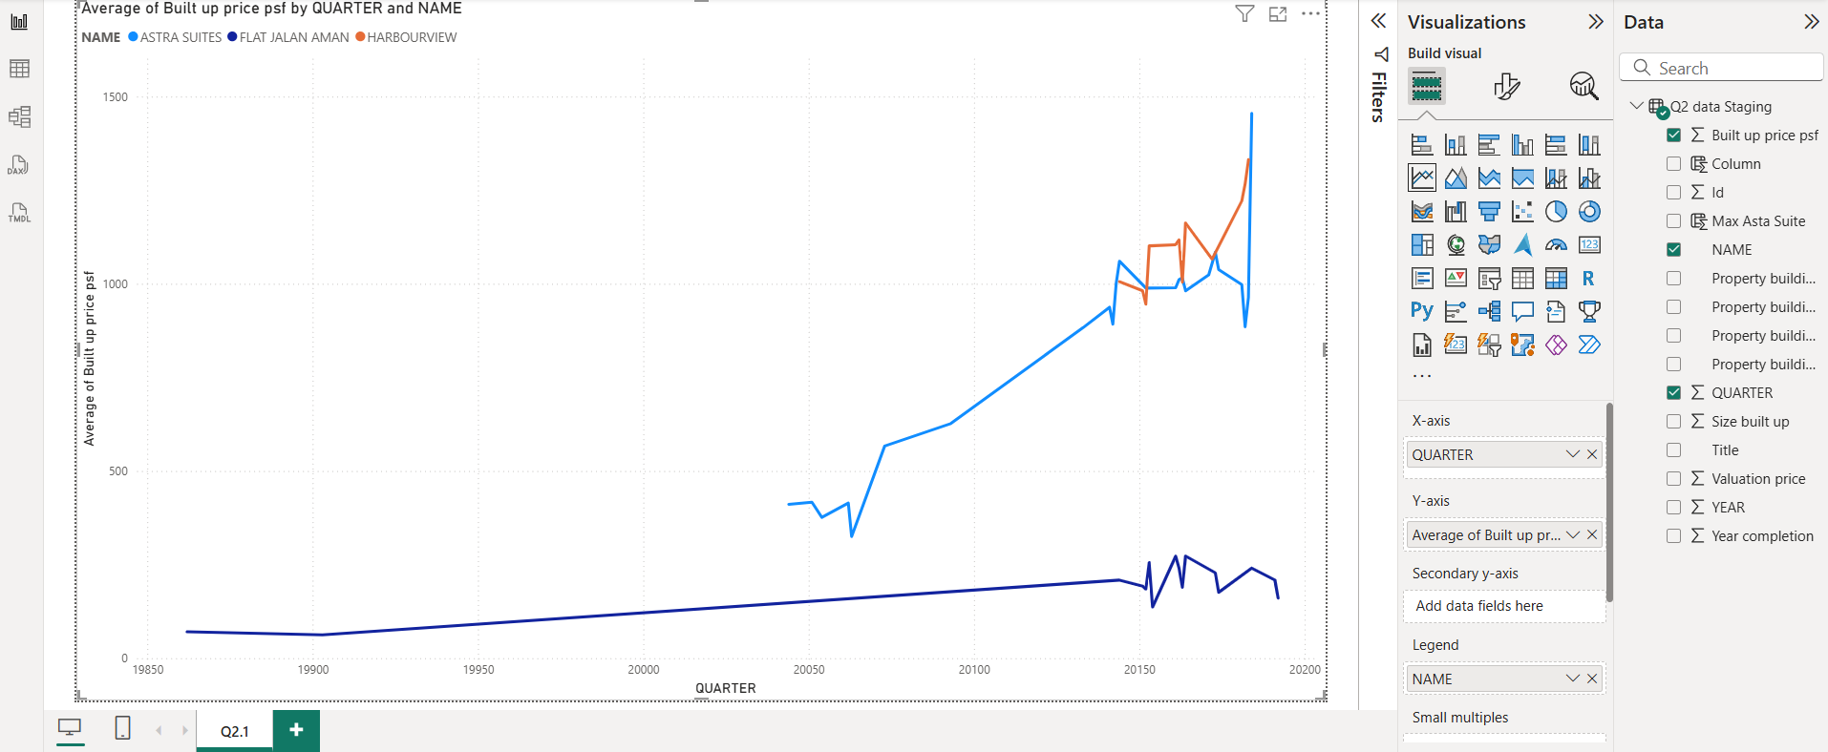
 |  | Highest Price (Quarter) | Lowest Price (Quarter)
 | Astra suites | 1455.04 (20184) | 325.11 (20063)
 | Flat Jalan Aman | 272.73 (20164) | 62.51 (19903)
 | Harbourview | 1331.55 (20183) | 945.8 (20152)

Astra Suites

Strong upward trend: The price increased from RM 325.11 to RM 1,455.04.

Likely indicates a high-end development or strong demand in recent years.

Most volatile, but the price growth is clear and aggressive.

Flat Jalan Aman

Shows extreme volatility: from RM 62.51 to RM 272.73.

May reflect low-cost housing, sensitive to economic conditions or lack of consistent demand.

Suitable for budget buyers, but less investment-stable.

Harbourview

Price grew steadily from RM 945.80 to RM 1,331.55.

Mild and stable growth, suggesting a mature market.

Good option for investors seeking stability over high return.

* Chart in Power Bi

Q2.2 (Answer)
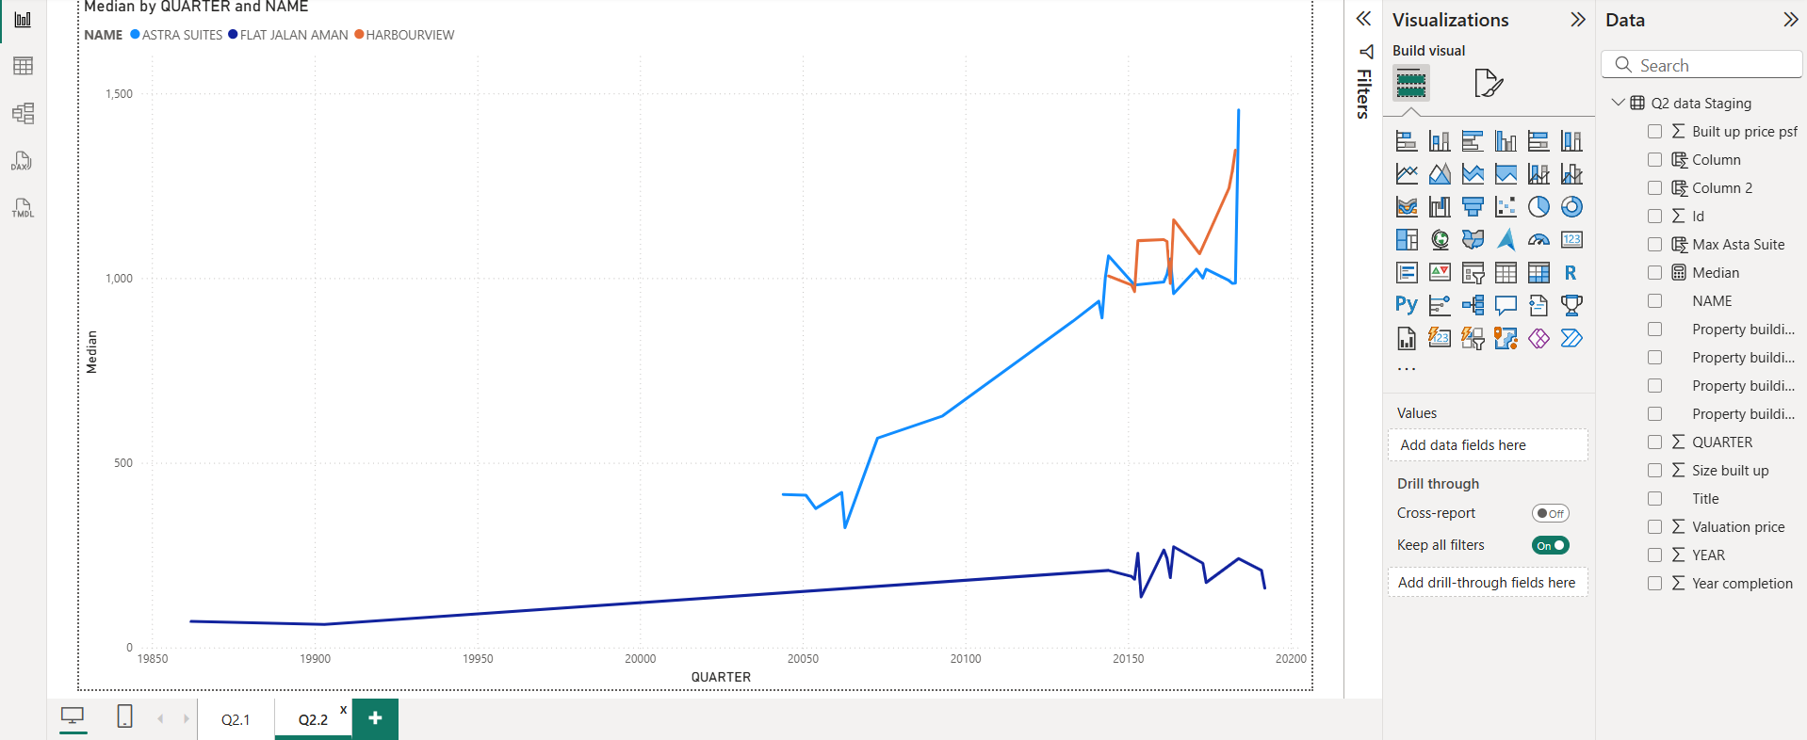
Aspect | Average (Mean) | Median
Definition | Sum of all values divided by the number of values. | Middle value when all values are sorted in order.
Sensitivity to Outliers | Highly affected by extreme values (e.g., one very high price can increase the average significantly). | Less affected by extreme values, giving a more stable figure.
Best Used When | Data is evenly distributed without large outliers. | Data has outliers or is skewed.
Observation in Q2 Data | Average built-up price psf shows sharper changes in certain quarters due to unusually high or low transaction prices. | Median built-up price psf line is smoother and more consistent, reflecting the typical transaction price more accurately.

* Chart in Power Bi

Q2.3 (Answer)
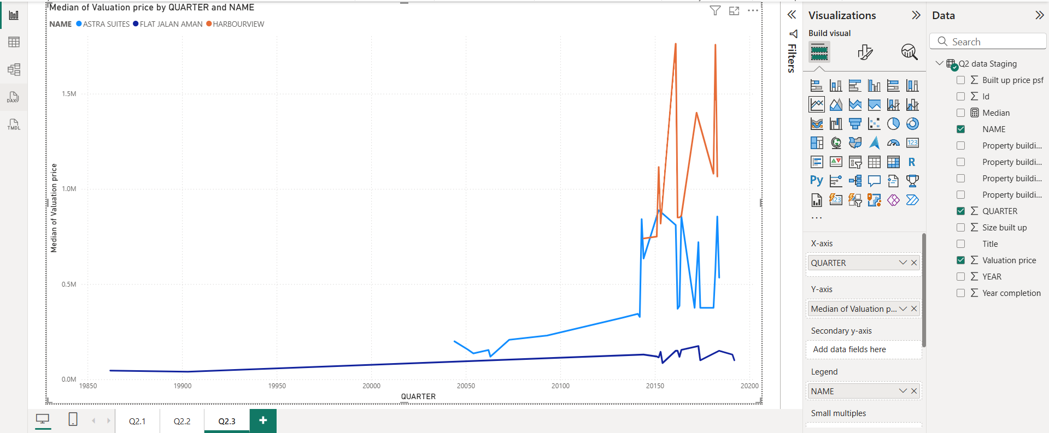
 | Building | Trend Shape | General Price Level | Volatility | Key Observations
 | Astra Suites | Gradual rise until mid-period, then sharp fluctuations | Medium-high | High | Prices spiked after 2010 but showed irregular ups and downs.
 | Flat Jalan Aman | Steady, slight increase over time | Low | Low | Prices remain the lowest among the three, showing stable growth.
 | Harbourview | Sharp increase in mid-period, followed by peaks and drops | Highest | High | Sudden large jumps suggest speculative market or high-demand bursts.

The median valuation price trend shows distinct differences among the three buildings. Harbourview commands the highest prices, with sharp peaks and drops, indicating high demand but also volatility.

Astra Suites saw a gradual rise followed by noticeable fluctuations, suggesting periods of rapid appreciation and correction.

In contrast, Flat Jalan Aman maintained the lowest prices, with a slow but steady upward trend, reflecting a more stable and possibly less speculative market.

These differences imply that investors seeking high returns might prefer Harbourview or Astra Suites, while those prioritising stability may favour Flat Jalan Aman.

* Chart in Power Bi

